Sovereign
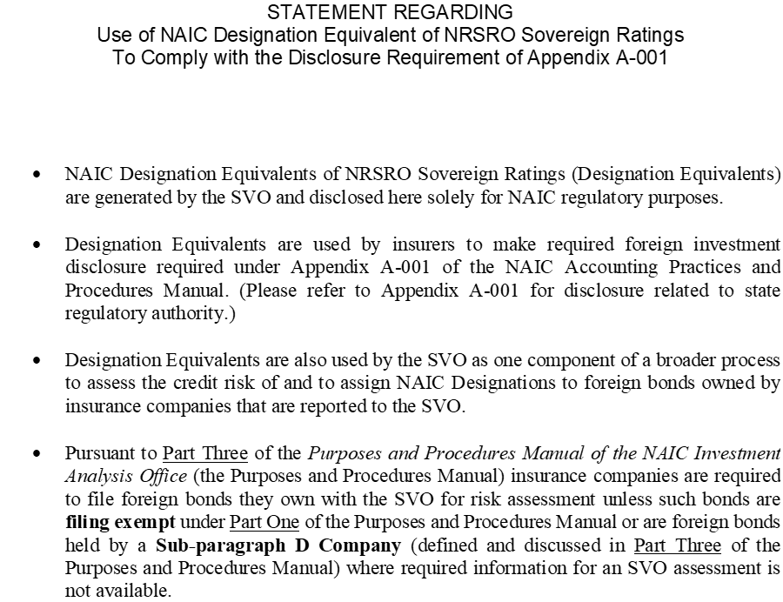

SOVEREIGN | ISO | NAIC | DATE
ALBANIA | AL | 3.C | 2024-12-31
ALGERIA | DZ | ND | 2024-12-31
ANDORRA | AD | 1.G | 2024-12-31
ANGOLA | AO | 4.C | 2024-12-31
ARGENTINA | AR | 5.B | 2024-12-31
ARMENIA | AM | 3.C | 2024-12-31
ARUBA | AW | 2.C | 2024-12-31
AUSTRALIA | AU | 1.A | 2024-12-31
AUSTRIA | AT | 1.B | 2024-12-31
AZERBAIJAN | AZ | 3.A | 2024-12-31
BAHAMAS | BS | 4.A | 2024-12-31
BAHRAIN | BH | 4.A | 2024-12-31
BANGLADESH | BD | 4.A | 2024-12-31
BARBADOS | BB | 4.B | 2024-12-31
BELARUS | BY | 6 | 2024-12-31
BELGIUM | BE | 1.D | 2024-12-31
BELIZE | BZ | 5.A | 2024-12-31
BENIN | BJ | 4.A | 2024-12-31
BERMUDA | BM | 1.F | 2024-12-31
BOLIVIA | BO | 5.B | 2024-12-31
BOSNIA | BA | 4.C | 2024-12-31
BOTSWANA | BW | 2.A | 2024-12-31
BRAZIL | BR | 3.B | 2024-12-31
BRUNEI | BN | ND | 2024-12-31
BULGARIA | BG | 2.B | 2024-12-31
BURKINA FASO | BF | 5.A | 2024-12-31
BURUNDI | BI | ND | 2024-12-31
CAMBODIA | KH | 4.B | 2024-12-31
CAMEROON | CM | 4.C | 2024-12-31
CANADA | CA | 1.A | 2024-12-31
CAPE VERDE | CV | 4.B | 2024-12-31
CAYMAN ISLANDS | KY | 1.D | 2024-12-31
CHILE | CL | 1.F | 2024-12-31
CHINA | CN | 1.E | 2024-12-31
COLOMBIA | CO | 3.A | 2024-12-31
COOK ISLANDS | CK | 4.A | 2024-12-31
COSTA RICA | CR | 3.C | 2024-12-31
CROATIA | HR | 1.G | 2024-12-31
CUBA | CU | ND | 2024-12-31
CURACAO | CW | 2.C | 2024-12-31
CYPRUS | CY | 1.G | 2024-12-31
CZECH REPUBLIC | CZ | 1.D | 2024-12-31
DEM REP CONGO | CD | 4.C | 2024-12-31
DENMARK | DK | 1.A | 2024-12-31
DOMINICAN REPUBLIC | DO | 3.C | 2024-12-31
DUBAI | XD | ND | 2024-12-31
ECUADOR | EC | 5.A | 2024-12-31
EGYPT | EG | 4.C | 2024-12-31
EL SALVADOR | SV | 4.C | 2024-12-31
EMIRATE OF ABU DHABI | XB | 1.C | 2024-12-31
ESTONIA | EE | 1.E | 2024-12-31
ETHIOPIA | ET | 6 | 2024-12-31
EUROPEAN UNION | EU | 1.A | 2024-12-31
FIJI | FJ | 4.A | 2024-12-31
FINLAND | FI | 1.B | 2024-12-31
FRANCE | FR | 1.D | 2024-12-31
FRENCH POLYNESIA | PF | 1.F | 2024-12-31
GABON | GA | 5.B | 2024-12-31
GAMBIA | GM | ND | 2024-12-31
GEORGIA | GE | 3.B | 2024-12-31
GERMANY | DE | 1.A | 2024-12-31
GHANA | GH | 6 | 2024-12-31
GIBRALTAR | GI | ND | 2024-12-31
GREECE | GR | 2.C | 2024-12-31
GRENADA | GD | ND | 2024-12-31
GUATEMALA | GT | 3.B | 2024-12-31
HONDURAS | HN | 4.A | 2024-12-31
HONG KONG | HK | 1.D | 2024-12-31
HUNGARY | HU | 2.B | 2024-12-31
IBRD WORLD BANK | IBRD | 1.A | 2024-12-31
ICELAND | IS | 1.E | 2024-12-31
INDIA | IN | 2.C | 2024-12-31
INDONESIA | ID | 2.B | 2024-12-31
IRAN | IR | ND | 2024-12-31
IRAQ | IQ | 4.C | 2024-12-31
IRELAND | IE | 1.C | 2024-12-31
ISLE OF MAN | IM | 1.D | 2024-12-31
ISRAEL | IL | 1.F | 2024-12-31
ITALY | IT | 2.B | 2024-12-31
IVORY COAST | CI | 3.B | 2024-12-31
JAMAICA | JM | 3.C | 2024-12-31
JAPAN | JP | 1.E | 2024-12-31
JERSEY | JE | 1.D | 2024-12-31
JORDAN | JO | 3.C | 2024-12-31
KAZAKHSTAN | KZ | 2.B | 2024-12-31
KENYA | KE | 4.C | 2024-12-31
KUWAIT | KW | 1.E | 2024-12-31
LATVIA | LV | 1.G | 2024-12-31
LEBANON | LB | 6 | 2024-12-31
LESOTHO | LS | 4.B | 2024-12-31
LIBERIA | LR | ND | 2024-12-31
LIBYA | LY | ND | 2024-12-31
LIECHTENSTEIN | LI | 1.A | 2024-12-31
LITHUANIA | LT | 1.F | 2024-12-31
LUXEMBOURG | LU | 1.A | 2024-12-31
MACAU | MO | 1.D | 2024-12-31
MACEDONIA | MK | 3.C | 2024-12-31
MALAWI | MW | ND | 2024-12-31
MALAYSIA | MY | 1.G | 2024-12-31
MALI | ML | 5.B | 2024-12-31
MALTA | MT | 1.F | 2024-12-31
MAURITANIA | MR | ND | 2024-12-31
MAURITIUS | MU | 2.C | 2024-12-31
MEXICO | MX | 2.B | 2024-12-31
MOLDOVA | MD | 4.C | 2024-12-31
MONACO | MC | ND | 2024-12-31
MONGOLIA | MN | 4.A | 2024-12-31
MONTENEGRO | ME | 4.A | 2024-12-31
MONTSERRAT | MS | 2.C | 2024-12-31
MOROCCO | MA | 3.A | 2024-12-31
MOZAMBIQUE | MZ | 5.A | 2024-12-31
NAMIBIA | NA | 4.A | 2024-12-31
NEPAL | NP | 3.C | 2024-12-31
NETHERLANDS | NL | 1.A | 2024-12-31
NEW ZEALAND | NZ | 1.B | 2024-12-31
NICARAGUA | NI | 4.B | 2024-12-31
NIGER | NE | 5.C | 2024-12-31
NIGERIA | NG | 4.C | 2024-12-31
NORWAY | NO | 1.A | 2024-12-31
OMAN | OM | 3.A | 2024-12-31
PAKISTAN | PK | 5.A | 2024-12-31
PANAMA | PA | 2.C | 2024-12-31
PAPUA NEW GUINEA | PG | 4.C | 2024-12-31
PARAGUAY | PY | 3.A | 2024-12-31
PERU | PE | 2.B | 2024-12-31
PHILIPPINES | PH | 2.B | 2024-12-31
POLAND | PL | 1.G | 2024-12-31
PORTUGAL | PT | 1.G | 2024-12-31
QATAR | QA | 1.C | 2024-12-31
REPUBLIC OF CONGO | CG | 5.A | 2024-12-31
ROMANIA | RO | 2.C | 2024-12-31
RUSSIA | RU | ND | 2024-12-31
RWANDA | RW | 4.A | 2024-12-31
SAN MARINO | SM | 3.A | 2024-12-31
SAUDI ARABIA | SA | 1.E | 2024-12-31
SENEGAL | SN | 4.A | 2024-12-31
SERBIA | RS | 3.A | 2024-12-31
SEYCHELLES | SC | 3.C | 2024-12-31
SIERRA LEONE | SL | ND | 2024-12-31
SINGAPORE | SG | 1.A | 2024-12-31
SLOVAKIA | SK | 1.G | 2024-12-31
SLOVENIA | SI | 1.F | 2024-12-31
SOUTH AFRICA | ZA | 3.C | 2024-12-31
SOUTH KOREA | KR | 1.C | 2024-12-31
SPAIN | ES | 1.G | 2024-12-31
SRI LANKA | LK | 5.A | 2024-12-31
ST KITTS & NEVIS | KN | ND | 2024-12-31
ST. VINCENT/GRENADINES | VC | 4.C | 2024-12-31
STATES OF GUERNSEY | GG | 1.E | 2024-12-31
SURINAME | SR | 5.A | 2024-12-31
SWAZILAND | SZ | 4.B | 2024-12-31
SWEDEN | SE | 1.A | 2024-12-31
SWITZERLAND | CH | 1.A | 2024-12-31
TAIWAN | TW | 1.C | 2024-12-31
TAJIKISTAN | TJ | 4.C | 2024-12-31
TANZANIA | TZ | 4.A | 2024-12-31
THAILAND | TH | 2.A | 2024-12-31
TOGO | TG | 4.C | 2024-12-31
TRINIDAD AND TOBAGO | TT | 3.B | 2024-12-31
TUNISIA | TN | 5.B | 2024-12-31
TURKEY | TR | 3.C | 2024-12-31
TURKMENISTAN | TM | 3.C | 2024-12-31
TURKS AND CAICOS ISLANDS | TC | 2.A | 2024-12-31
UGANDA | UG | 4.C | 2024-12-31
UKRAINE | UA | 6 | 2024-12-31
UNITED ARAB EMIRATES | AE | 1.D | 2024-12-31
UNITED KINGDOM | GB | 1.D | 2024-12-31
UNITED STATES | US | 1.A | 2024-12-31
URUGUAY | UY | 2.A | 2024-12-31
UZBEKISTAN | UZ | 3.C | 2024-12-31
VENEZUELA | VE | ND | 2024-12-31
VIETNAM | VN | 3.A | 2024-12-31
ZAMBIA | ZM | 6 | 2024-12-31
ZIMBABWE | ZW | ND | 2024-12-31
ALBANIA | AL | 3.C | 2024-11-30
ALGERIA | DZ | ND | 2024-11-30
ANDORRA | AD | 1.G | 2024-11-30
ANGOLA | AO | 4.C | 2024-11-30
ARGENTINA | AR | 5.B | 2024-11-30
...

